Sheet1
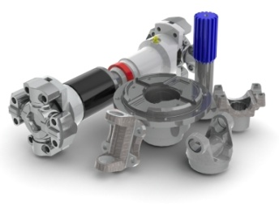
Completed By |  | Date:
Contact Information
Customer
Name
Email Address
Phone Number |  | Fax Number
Application Information
Brief Description
Vehicle Model |  | CG Height |  | in | GCWR |  | lbs
 |  | Wheelbase |  | in | GVW |  | lbs
Power Source
Manufacturer |  |  |  |  | Type (put X in cell)
Model |  |  |  |  | Gas
Max HP |  | @ |  | RPM | Electric |  |  | X
Gross Torque | lb-ft | @ |  | RPM | Diesel
Transmission |  | Transfer Case |  |  | Axle |  | Front | Rear
Low Fwd Ratio | :1 |  | Front | Rear | Ratio
2nd Low Fwd Ratio | :1 | % Split |  |  | Tire Rolling Radius (in)
High Fwd Gear Ratio | :1 |  |  |  | Input Yoke (series)
Reverse Ratio | :1 | Ratio (X.XX:1) |  |  | Capacity (lbs)
TCC Stall Ratio |  | Efficiency |  |  | Friction Coefficient
Efficiency
Driveshaft Performance Requirements |  | Duty Cycle
Maximum Torque | lb-ft | Condition |  |  | % Time | Angle | Speed | Torque
Maximum RPM
Operating Angle | degrees
Maximum Angle | degrees
Desired Life (B10) | hours
Expected Series | enter series
Service Factor |  | For additional conditions, attach a separate sheet. |  |  |  | Separate Sheet? (yes/no)
Layout
Please provide us with an electronic copy of your layout. We must know every u-joint angle, but you can present that information to us in whatever form you prefer. For convenience, several typical layouts are show below, pick one and describe any variations in the space provided. KEY: E = Engine, TR = Transmission, TC = Transfer Case, A = Axle. Circled numbers are u-joints, circles with numbers after D are driveshafts.
 |  | Type 1 |  | Type | Driveshaft | U-Joint | Angle (Side) | Angle (Top)

 |  | Type 2

 |  | Type 3

 |  | Type 4

